Summary of results
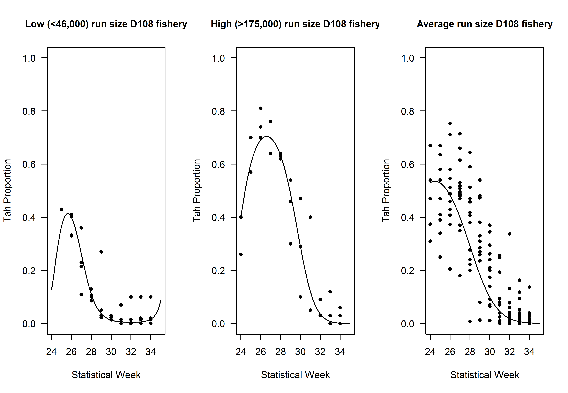
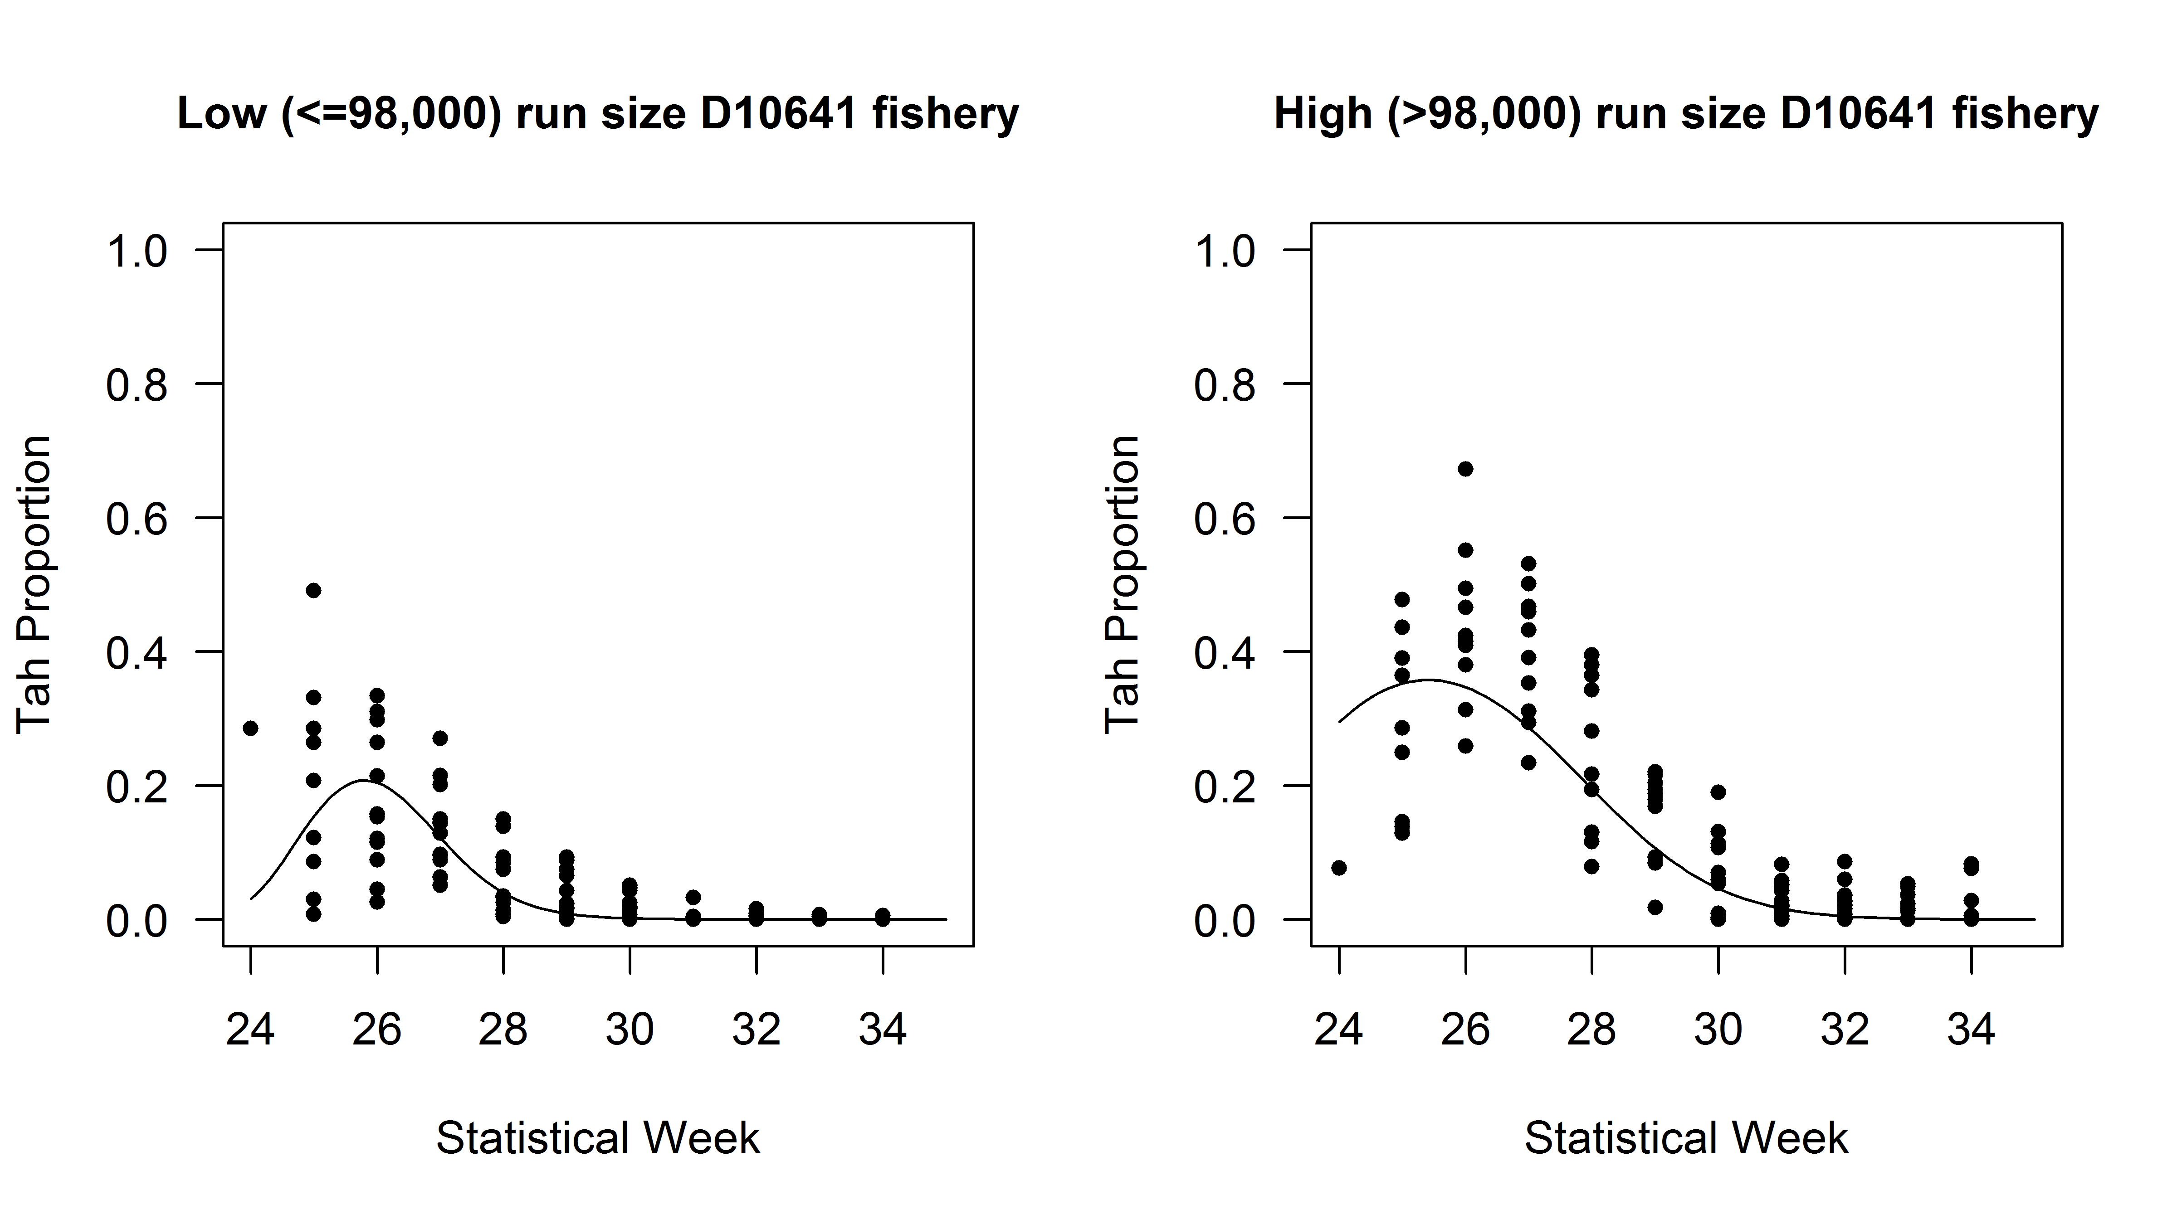
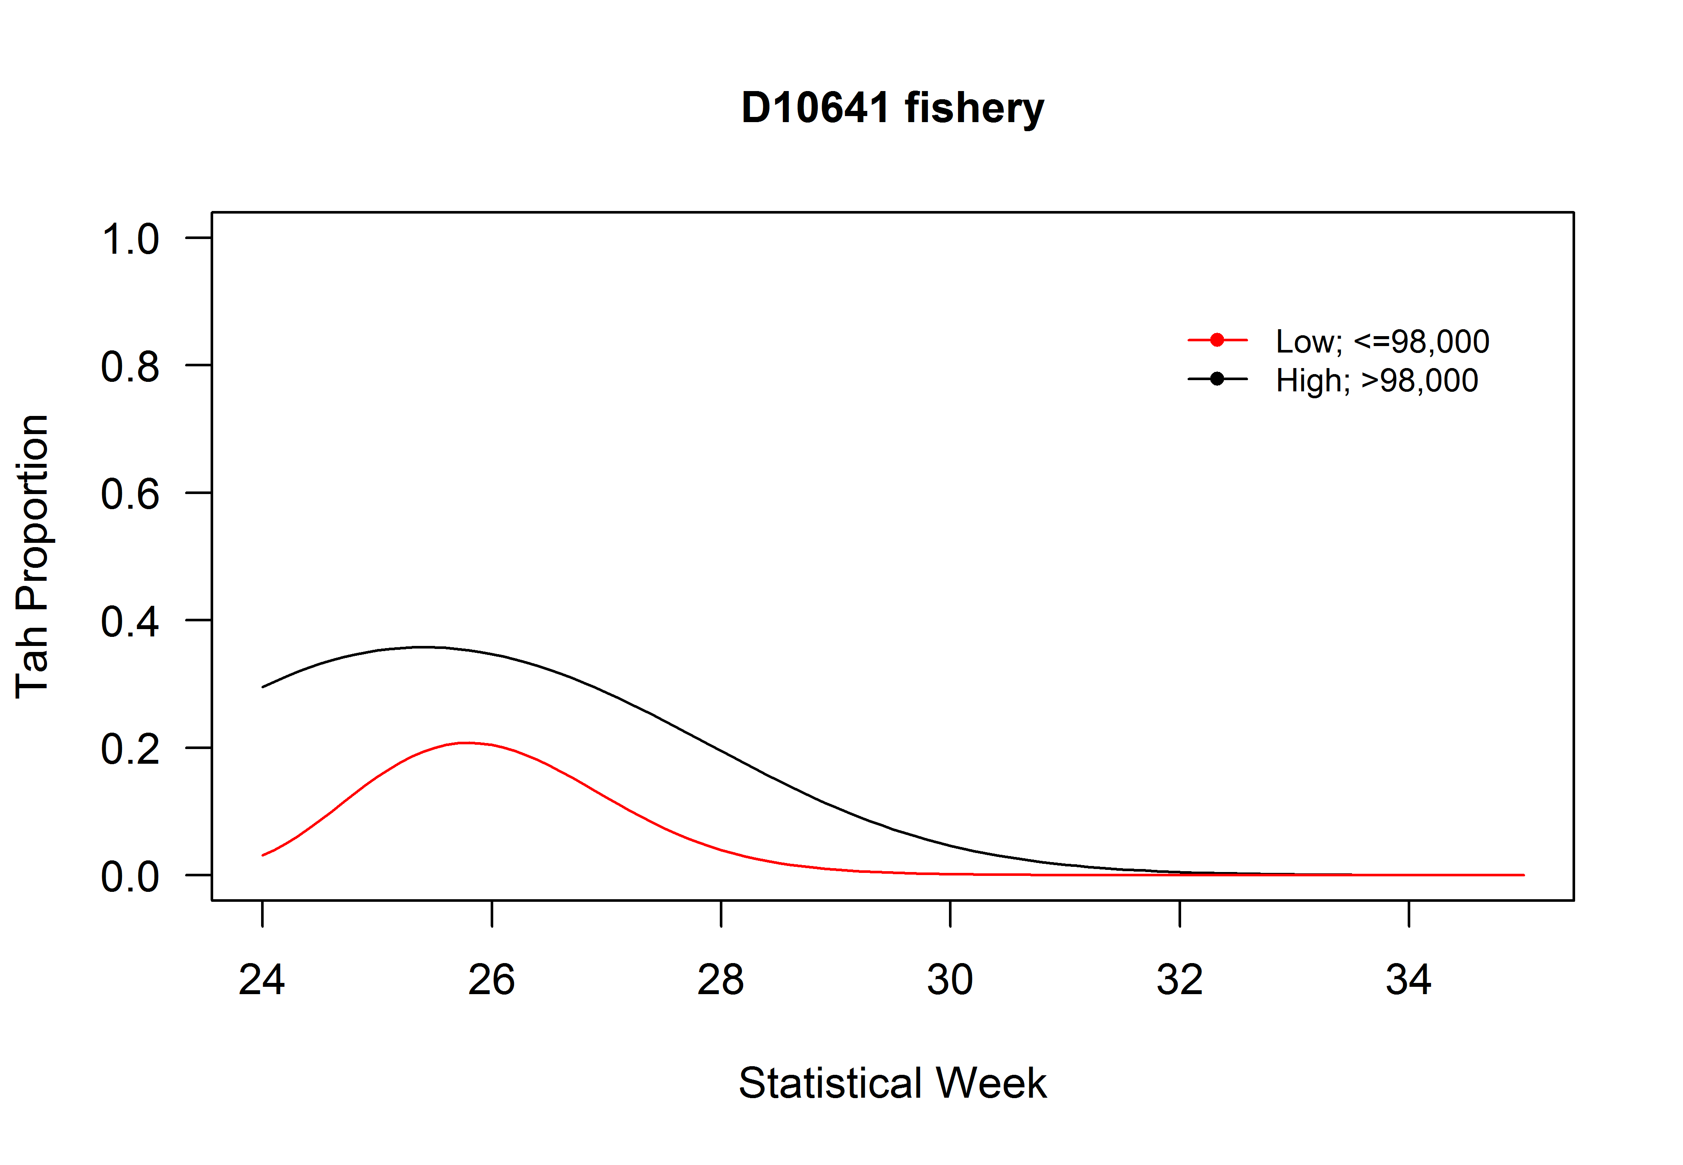
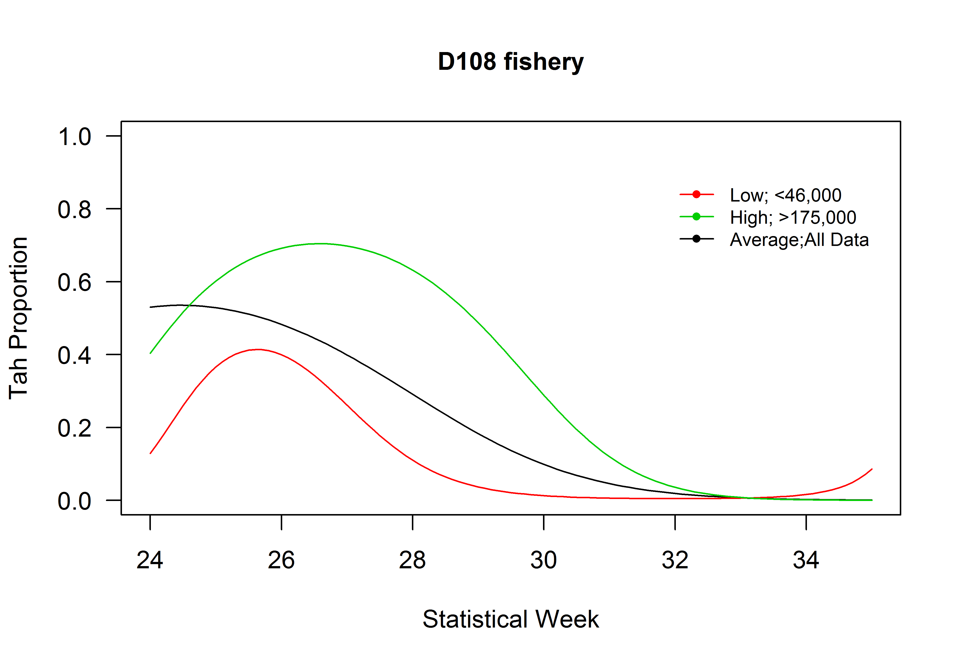
Current Results:
 | D108 |  |  | D106-41
StatWeek | <46,000 | Avg | >175,000 | ≤98,000 | >98,000
24 | 0.13 | 0.53 | 0.40 | 0.03 | 0.30
25 | 0.37 | 0.53 | 0.60 | 0.15 | 0.35
26 | 0.40 | 0.48 | 0.69 | 0.20 | 0.35
27 | 0.26 | 0.40 | 0.70 | 0.12 | 0.29
28 | 0.11 | 0.29 | 0.63 | 0.04 | 0.19
29 | 0.04 | 0.18 | 0.49 | 0.01 | 0.11
30 | 0.01 | 0.10 | 0.29 | 0.00 | 0.05
31 | 0.01 | 0.05 | 0.12 | 0.00 | 0.02
32 | 0.00 | 0.02 | 0.04 | 0.00 | 0.01
33 | 0.01 | 0.01 | 0.01 | 0.00 | 0.00
34 | 0.02 | 0.00 | 0.00 | 0.00 | 0.00
35 | 0.09 | 0.00 | 0.00 | 0.00 | 0.00

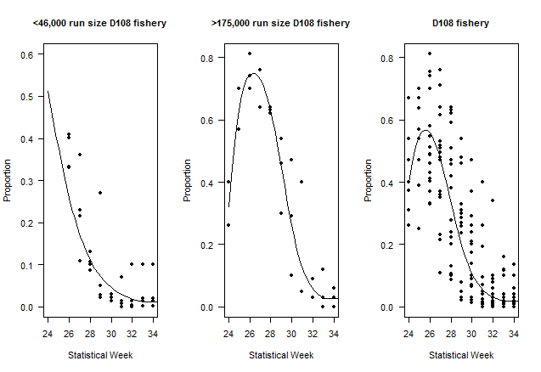
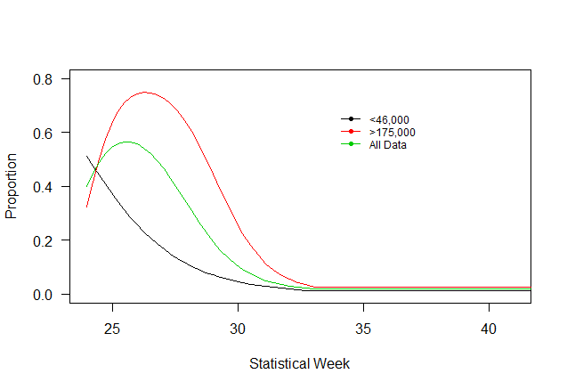
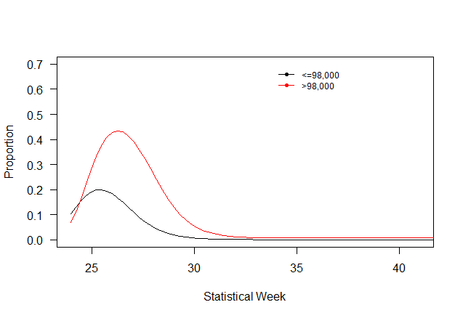
Previous Results:
 | D108 |  |  | D106-41
Statistical Week | <46,000 | Avg | >175,000 | ≤98,000 | >98,000
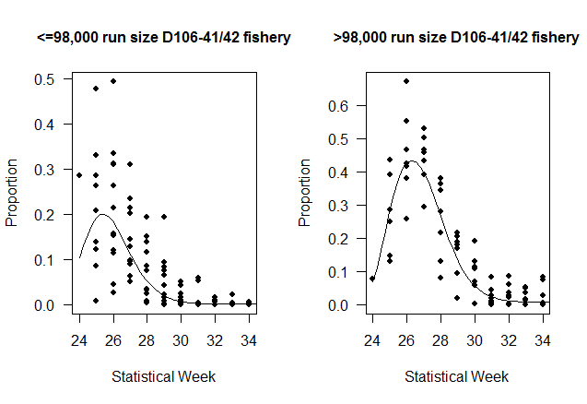
24 | 0.51 | 0.40 | 0.32 | 0.10 | 0.07
25 | 0.38 | 0.55 | 0.63 | 0.19 | 0.28
26 | 0.26 | 0.56 | 0.74 | 0.18 | 0.43
27 | 0.17 | 0.47 | 0.73 | 0.11 | 0.39
28 | 0.10 | 0.31 | 0.60 | 0.04 | 0.24
29 | 0.07 | 0.19 | 0.45 | 0.02 | 0.13
30 | 0.05 | 0.11 | 0.28 | 0.01 | 0.06
31 | 0.03 | 0.05 | 0.11 | 0.00 | 0.02
32 | 0.02 | 0.03 | 0.05 | 0.00 | 0.01
33 | 0.01 | 0.02 | 0.03 | 0.00 | 0.01
34 | 0.01 | 0.02 | 0.03 | 0.00 | 0.01
35 | 0.01 | 0.02 | 0.03 | 0.00 | 0.01

